FP
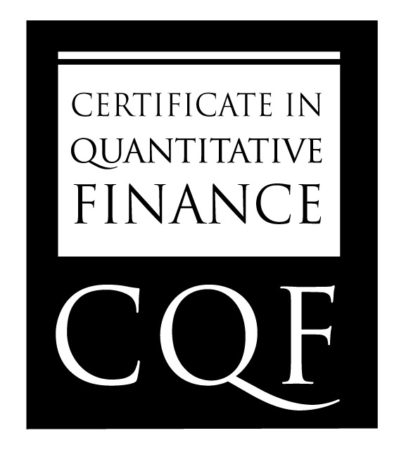
 | Name |  | JingZhong Liu

 | Summary Grade |  | 86

Final Project Result

 | Strengths | Very good report with heavy methodology. Correct blending ensemble implemented with five base learners, TimeSeriesSplit CV and rolling window prediction engine. Report excels in diagnosing why classifier fails. Backtest performance is outstanding. Analytical report and clairty of explanations are very good. Good set of references. Good conclusion.

 | Further Development / Weaknesses | Classification model fails. Ensemble architecture offers no improvement due to high correlation among tree based models. Reliance on SPY makes directional ML prediction impossible with chosen features.

GLOBAL STANDARD IN FINANCIAL ENGINEERING

